Sheet1
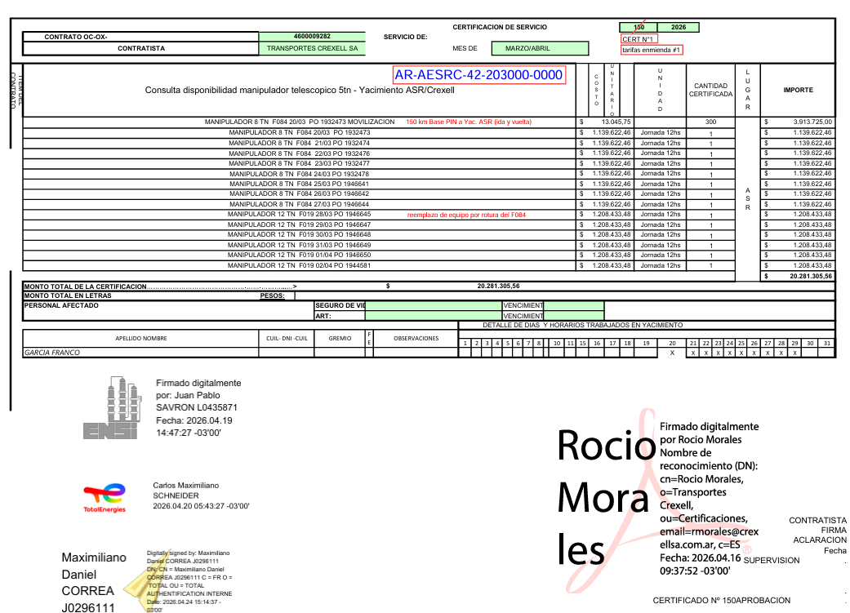
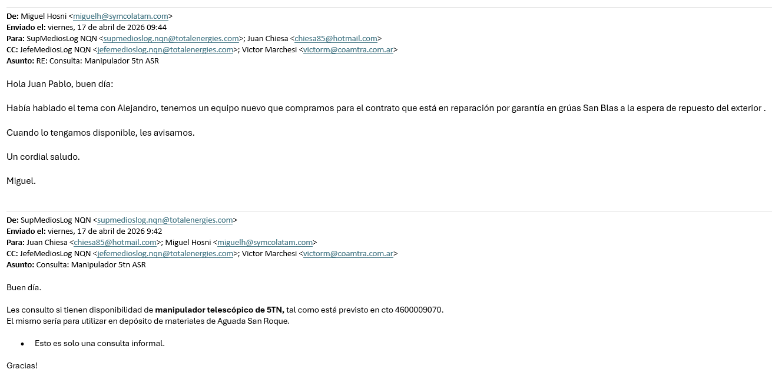
 |  |  |  |  |  |  |  |  |  |  |  | DUET
New Contract |  |  |  | Contractor |  | TRANSPORTES CREXELL |  |  |  |  |  |  | Contract Manager
Service | Servicio de alquiler de gruas y camiones On Call |  |  |  |  |  |  |  |  |  |  |  | Correa/Nasca
Requirement |  |  |  | Evaluation |  | check | Due Dates |  | Days to DD |  |  |  | Administrator
PR # (if applies) |  | Metier | TO/C&W | DD / Pre-risk |  |  | 2025-01-10 |  | - |  |  |  | Alvarez Bárbara
UTE | APE + SR | Contract # | 4600009282 | E-valuarte |  |  | Non-Qualified |  | -
Validity start | 2026-01-03 | Validity end | 28/02/2029 | Sequana |  |  | In process |  | - |  |  | AVE |  | CC | Polynomial formula
New end date |  | Amendment |  | Sustainability |  |  |  |  |  |  | AVE 1 | 20,281,306 | ARS |  | AVE 1 | 0 | ARS
Derogations |  |  |  |  | (Only for Contracts) |  |  |  |  |  | AVE 2 | 0 | ARS |  | AVE 2 | 0 | ARS
If CC is not required for this requirement, please complete the following info: |  |  |  | Header value |  | 0 | ARS | 0 | USD eq |  | AVE 3 | 0 | ARS |  | AVE 3 | 0 | ARS
E-sourcing # | Doc2663844108 |  |  | Remaining value |  | 0 | ARS | 0 | USD eq |  | AVE 4 | 0 | ARS |  | AVE 4 | 0 | ARS
Participants | 7 | ALS/COAMTRA/RIVAS/SPUSA/TECMACO/CREXELL/DOLORES PARRA |  | AVE (if applies) |  | 20,281,306 | ARS | 14,040 | USD eq |  | AVE 5 | 0 | ARS |  | AVE 5 | 0 | ARS
Offers received | 7 |  |  | New header value |  | 20,281,306 | ARS | 14,040 | USD eq |  | AVE 6 | 0 | ARS |  | AVE 6 | 0 | ARS
Simultaneos opening | YES | Best price | YES | New remaining value |  | 20,281,306 | ARS | 14,040 | USD eq |  | Total | 20,281,306 | ARS |  | Total | 0 | ARS
Justification if it is not the best offer |  |  |  |  |  |  |  | Exchange rate | 1,444.5 |  |  | 14,040 | USD eq |  |  | 0 | USD eq

 | Contracting Strategy |  |  |  |  |  |  |  |  |  |  |  | Signatures
Strategy | RFQ |  |  |  |  |  |  |  |  |  | Lead Buyer

 |  |  |  |  |  |  |  |  |  |  | Head of Domain

 |  |  |  |  |  |  |  |  |  |  | C&P Manager

 |  |  |  |  |  |  |  |  |  |  | C&P Manager
Coments: | AVE N°1 | Consumos marzo y abril 2026 |  |  | Certificado N°1 | $20,281,305.56

 |  |  |  |  |  | $20,281,305.56
 |  |  |  |  |  |  |  | Orden de llamado |  | 1 | COAMTRA
 |  |  |  |  |  |  |  |  |  | 2 | TRANSPORTES CREXELL
 |  |  |  |  |  |  |  |  |  | 3 | DOLORES PARRA
 |  |  |  |  |  |  |  |  |  | 4 | TRANSPORTES RIVAS

Certificado N°1 |  |  |  |  |  |  |  |  | Negativa de COAMTRA

